Sheet1
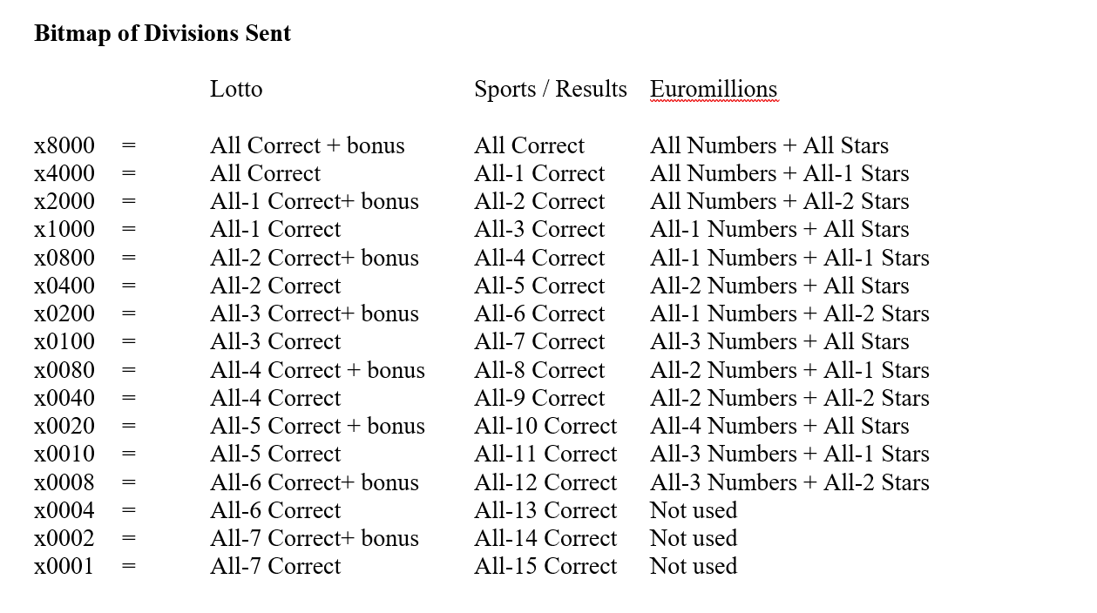
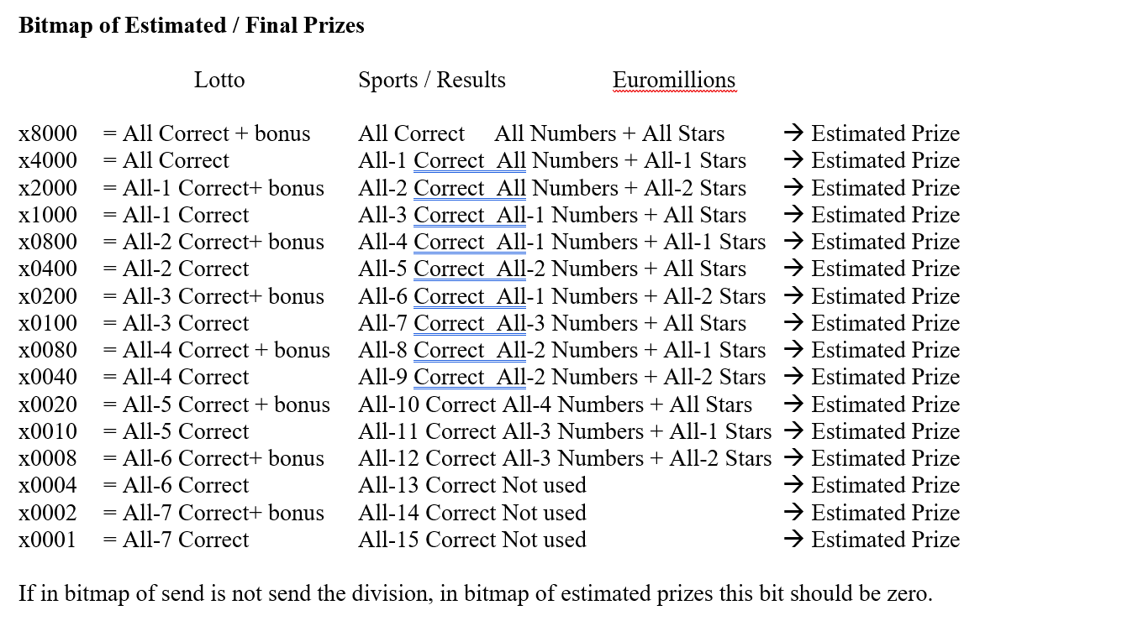
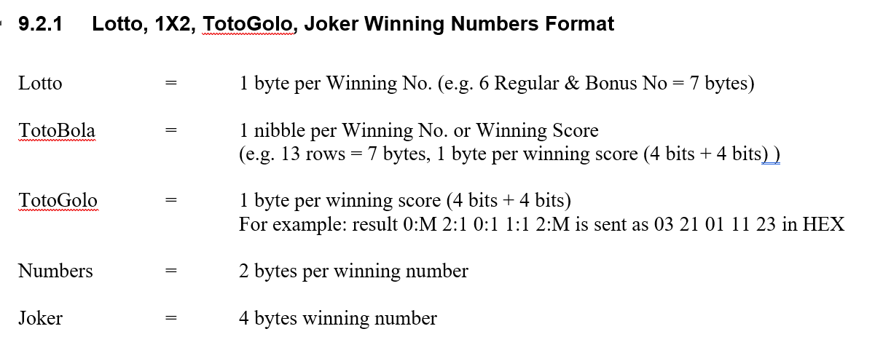
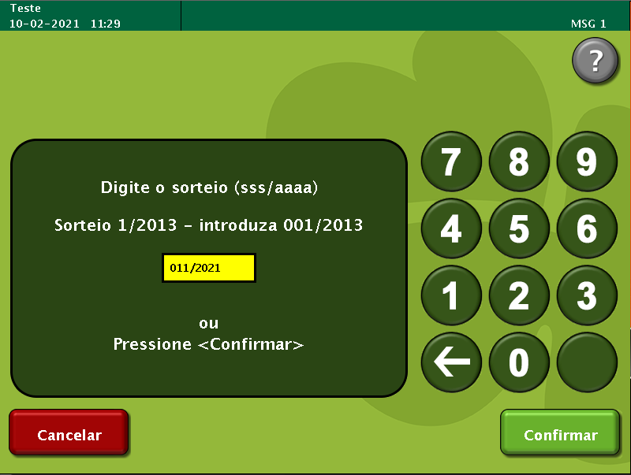
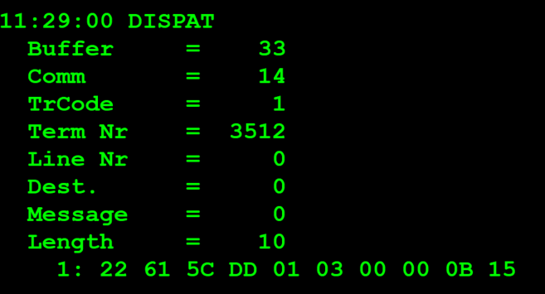
TestByte |  | Size | Field Contents |  | Hex | Bin | Dec
Start | End
1 | 1 | 1 | Control | Sequence | 22 | Control=0010 Sequence=0010 | 2 2 | Control -> x10 - Application Message Sequence -> 2
2 | 2 | 1 | Type = 6 | Subtype = (1-9) | 61 | Type=0001 Subtype=0000 | Type=6 Subtype=1 | Type = 3 Subtype = 1 (Game Type/Index)
3 | 4 | 2 | Checksum |  | 5C DD
5 | 5 | 1 | Class = Based on Subtype |  | 01 |  | 1 | Game Type = 1 (Lotto)
6 | 6 | 1 | Subclass = Based on Subtype |  | 03 |  | 3 | Game Index =3 (Totoloto Sabado)
 | 7 | 8 | 2 | Event number | 00 00 |  | 0 | Totoloto - old games still use Week number
 | 9 | 9 | 1 | Week or SCML Draw number* | 0B |  | 11 | 011/
 | 10 | 10 | 1 | Year | 15 |  | 21 | de 2021

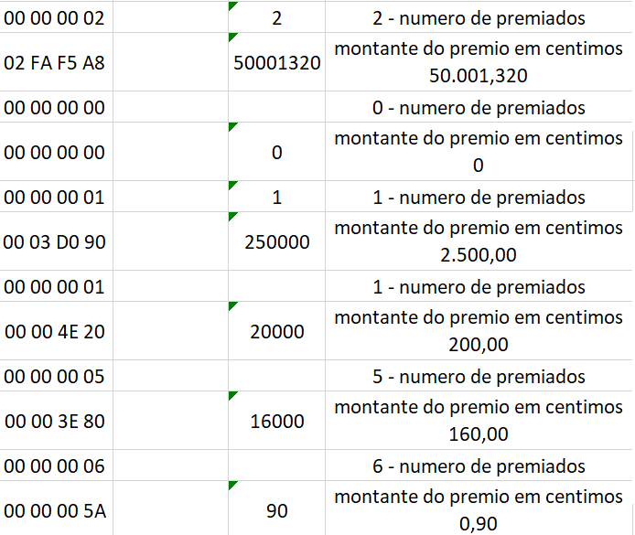
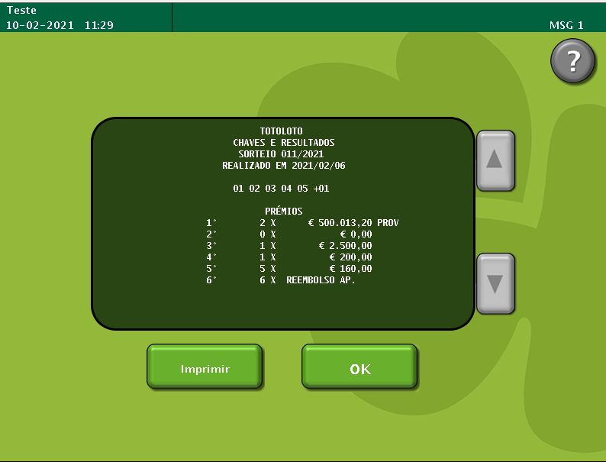

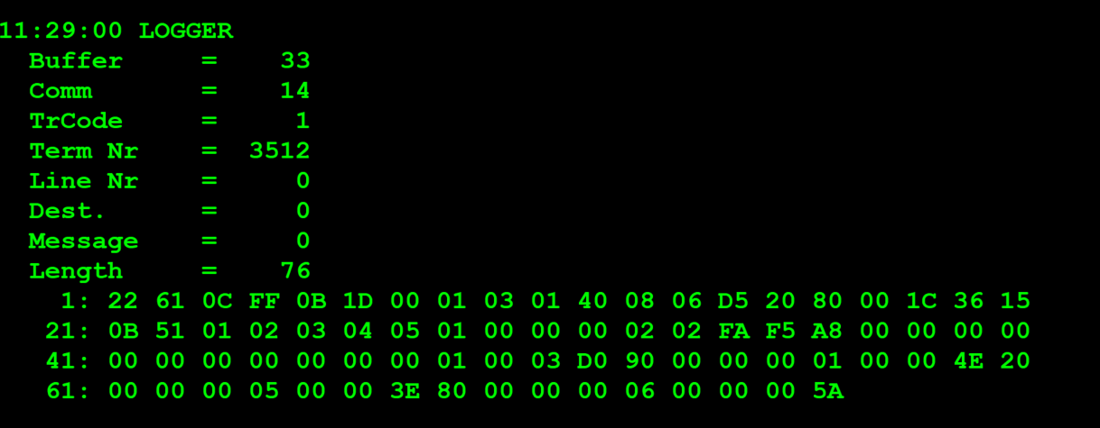
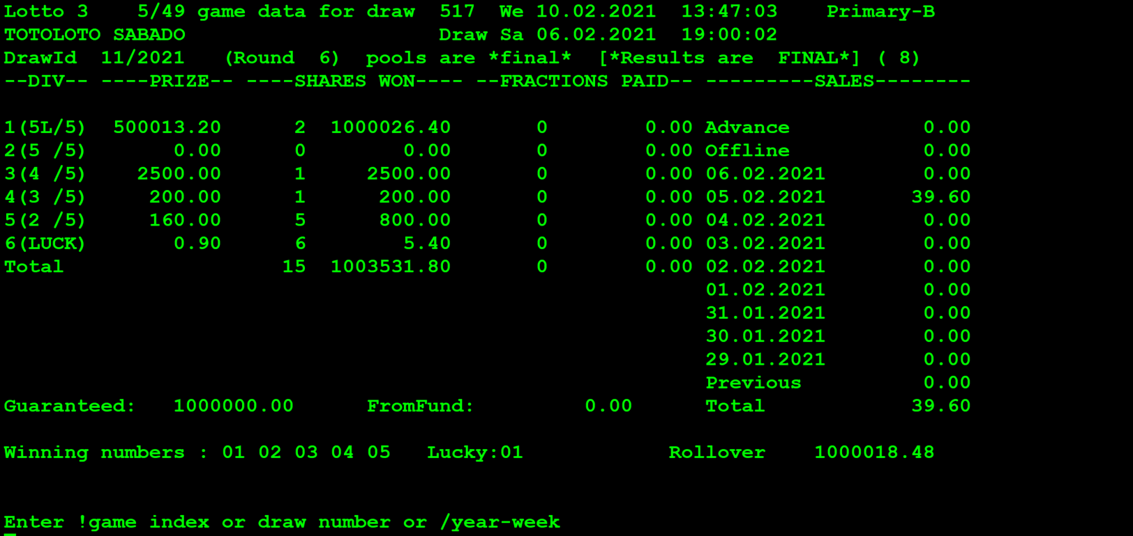
TestByte |  | Size | Field Contents |  | Hex | Bin | Dec
Start | End
1 | 1 | 1 | Control | Sequence | 22 | Control=0010 Sequence=0010 | 2 2 | Control -> x10 - Application Message Sequence -> 2
2 | 2 | 1 | Type = 6 | Subtype = 1 | 61 | Type=0001 Subtype=0000 | Type=6 Subtype=1 | Type = 3 Subtype = 1 (Game Type/Index)
3 | 4 | 2 | Checksum
5 | 7 | 3 | Time |  | 0B 1D 00 |  | 11:29:00 | 11:29:00
8 | 8 | 1 | Class = Game Type |  | 01 |  | 1 | Totoloto = 1
9 | 9 | 1 | Subclass = Game Index |  | 03 |  | 3 | Totoloto Sabado = 3
10 | 10 | 1 | Sets of Winning Numbers Sent = 1 |  | 01 |  | 1 | Sim existe premios
11 | 11 | 1 | Share Bitmap |  | 40 | 0100 0000 | 64
12 | 12 | 1 | Option Flags |  | 08 | 1000 | 8 | 0x08 Division flag is set*
13 | 13 | 1 | Number of Divisions * |  | 06 |  | 6 | 6 Níveis de premios
14 | 15 | 2 | Bitmap of Divisions Sent * |  | D5 20 | 1101 0101 0010 0000 | X8000 -> 5 numeros + Luck Nº X4000-> 5 numeros X1000 -> 4 numeros X0400 -> 3 numeros X0100 -> 2 numeros X0020 -> Luck Nº | X8000 -> All correct + bonus X4000-> All correct X1000 -> All-1 correct X0400 -> All-2 Correct X0100 -> All-3 Correct X0020 -> All-5 Correct + bonus
16 | 17 | 2 | Bitmap of Estimated / Final Prizes * (1) |  | 80 00 |  |  | x8000 = All Correct + bonus
18 | 19 | 2 | Draw CDC of Most Recent Draw |  | 1C 36 |  | 7222
20 | 21 | 2 | Year/Week Number |  | 15 0B |  | 21/11
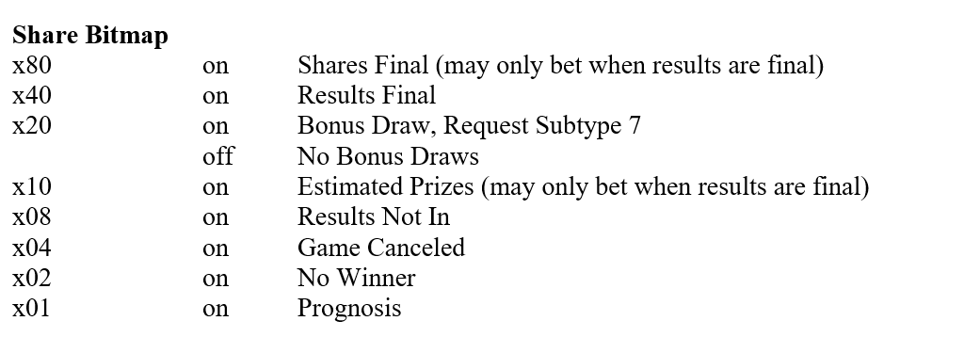
 |  |  | (or for KENO, Draw number offset)
22 | 22 | 1 | *Number of Regular Winning Numbers/Rows | **Number of Bonus Winning Numbers/Rows (Lotto) | 51 | 0101 0001 | *Number of Regular Winning=5 **Number of Bonus Winning=1 | F425A
23 | 23 | 1 | Winning Numbers/Rows (2) |  | 01 |  | 1 | 1º digito da chave premio
24 | 24 | 1 | Winning Numbers/Rows (2) |  | 02 |  | 2 | 2º digito da chave premio |  | x81 | 129
25 | 25 | 1 | Winning Numbers/Rows (2) |  | 03 |  | 3 | 3º digito da chave premio |  | x80 | 128 | 129/128=1 | X | 129-128=1
26 | 26 | 1 | Winning Numbers/Rows (2) |  | 04 |  | 4 | 4º digito da chave premio |  | x40 | 64 | 1/64=0 | N | N
27 | 27 | 1 | Winning Numbers/Rows (2) |  | 05 |  | 5 | 5º digito da chave premio |  | x20 | 32 | 1/32=0 | N | N
28 | 28 | 1 | Winning Numbers/Rows (2) |  | 01 |  | 1 | Lucky Number/Bonus N |  | x10 | 16 | 1/16=0 | N | N
29 | 32 | 4 | Winning Numbers/Rows (2) |  | 00 00 00 02 |  | 2 | 2 - numero de premiados |  | x08 | 8 | 1/8=0 | N | N
33 | 36 | 4 | Winning Numbers/Rows (2) |  | 02 FA F5 A8 |  | 50001320 | montante do premio em centimos 50.001,320 |  | x04 | 4 | 1/4=0 | N | N
23 | 23+n | n | Winning Numbers/Rows (2) |  | 00 00 00 00 |  |  | 0 - numero de premiados |  | x02 | 2 | 1/2=0 | N | N
23 | 23+n | n | Winning Numbers/Rows (2) |  | 00 00 00 00 |  | 0 | montante do premio em centimos 0 |  | x01 | 1 | 1/1=1 | X | 1-1=0
23 | 23+n | n | Winning Numbers/Rows (2) |  | 00 00 00 01 |  | 1 | 1 - numero de premiados
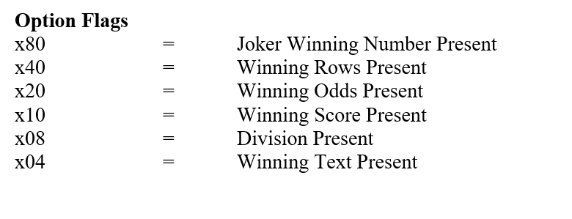
23 | 23+n | n | Winning Numbers/Rows (2) |  | 00 03 D0 90 |  | 250000 | montante do premio em centimos 2.500,00 | 128%2!=0 então faz mais uma interação no ciclo x%2==0 acabou o ciclo
24 | 23+n | n | Winning Numbers/Rows (2) |  | 00 00 00 01 |  |  | 1 - numero de premiados
25 | 23+n | n | Winning Numbers/Rows (2) |  | 00 00 4E 20 |  | 20000 | montante do premio em centimos 200,00
26 | 23+n | n | Winning Numbers/Rows (2) |  | 00 00 00 05 |  |  | 5 - numero de premiados
27 | 23+n | n | Winning Numbers/Rows (2) |  | 00 00 3E 80 |  | 16000 | montante do premio em centimos 160,00
28 | 23+n | n | Winning Numbers/Rows (2) |  | 00 00 00 06 |  |  | 6 - numero de premiados
29 | 23+n | n | Winning Numbers/Rows (2) |  | 00 00 00 5A |  | 90 | montante do premio em centimos 0,90
Number of Regular Winning Numbers/Rows: Indica o numero de bytes da chave premiada neste caso são 5 Number of Bonus Winning Numbers/Rows (Lotto): Indica o numero de bytes do Lucky Number da chave premida neste caso 1 Bitmap of Divisions Sent *: O numero de flags indica o numero de blocos de blocos de 8 Bytes dos premios (4bytes - numero de bilhetes premiados + 4bytes de montante de premio para o Nível)

